ASQ Overview
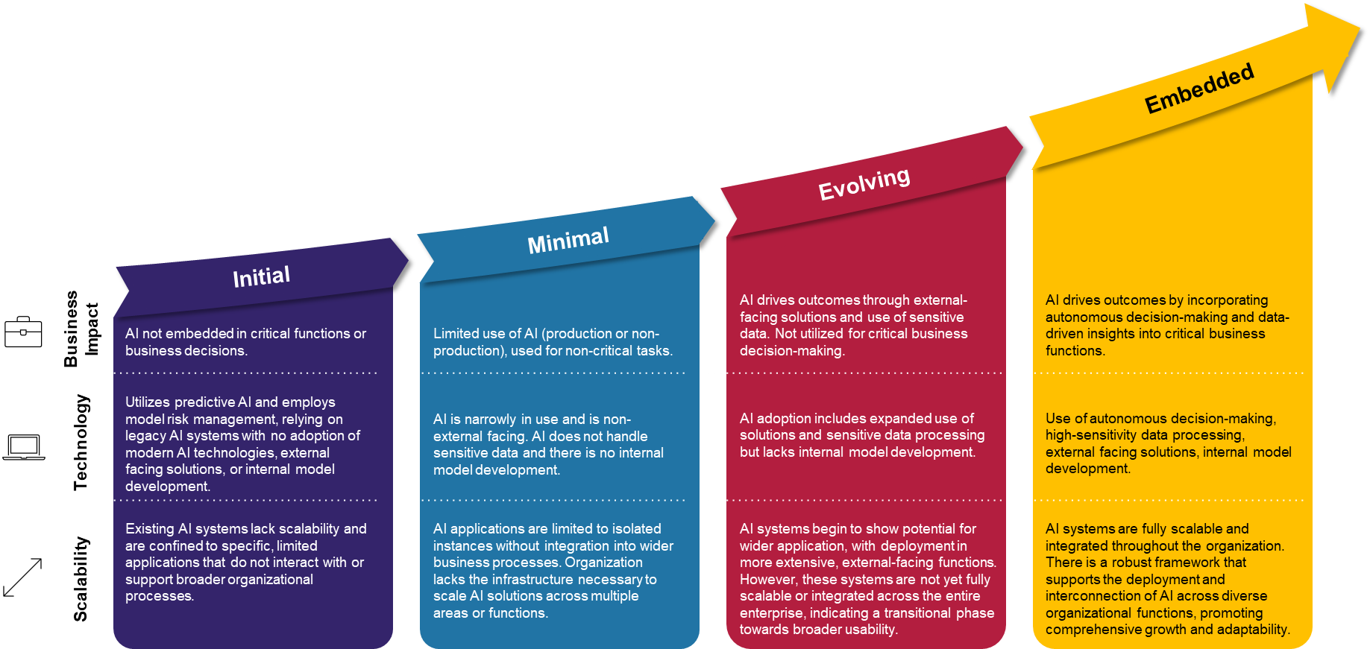

CRI Financial Services AI Risk Management Framework (FS AI RMF)
Adoption Stage Questionnaire
Overview

The AI Adoption Stage Questionnaire (ASQ) guides organizations through a self-assessment that helps determine their current AI Adoption Stage, classifying it into one of the four stages defined below:
(1) Initial features limited and protective methods;
(2) Minimal entails low-risk implementations;
(3) Evolving involves high-risk production applications; and
(4) Embedded describes AI that is widely integrated across the organization.

Each of these 4 stages consider:
(1) Business impact of AI;
(2) Technology Implementation; and
(3) Scalability.

Initial Stage
Business Impact | AI is not embedded in critical functions or business decisions.
Technology | Utilizes predictive AI and employs model risk management, relying on legacy AI systems with no adoption of modern AI technologies, external facing solutions, or internal model development.
Scalability | Existing AI systems lack scalability and are confined to specific, limited applications that do not interact with or support broader organizational processes.

Minimal Stage
Business Impact | Limited use of AI (production or non-production), used for non-critical tasks.
Technology | AI is narrowly in use and is non-external facing. AI does not handle sensitive data and there is no internal model development.
Scalability | AI applications are limited to isolated instances without integration into wider business processes. Organization lacks the infrastructure necessary to scale AI solutions across multiple areas or functions.

Evolving Stage
Business Impact | AI drives outcomes through external-facing solutions and use of sensitive data. Not utilized for critical business decision-making.
Technology | AI adoption includes expanded use of solutions and sensitive data processing but lacks internal model development.
Scalability | AI systems begin to show potential for wider application, with deployment in more extensive, external-facing functions. However, these systems are not yet fully scalable or integrated across the entire enterprise, indicating a transitional phase towards broader usability.

Embedded Stage
Business Impact | AI drives outcomes by incorporating autonomous decision-making and data-driven insights into critical business functions.
Technology | Use of autonomous decision-making, high-sensitivity data processing, external facing solutions, internal model development.
Scalability | AI systems are fully scalable and integrated throughout the organization. There is a robust framework that supports the deployment and interconnection of AI across diverse organizational functions, promoting comprehensive growth and adaptability.

